Disclaimers and Info
Content of spreadsheet (brands, ingredients, etc) current as of November 2019

NOTE: All requests for access to the spreadsheet will be denied.

Disclaimers and General Info
I created this chart for our family as a screening tool to help us identify which protein sources and/or other ingredients could be triggering our cats' allergy symptoms. Or sometimes, we just want to see which foods contain a particular ingredient we may want to avoid or include in their diet.

This chart is not a complete list of every wet cat food currently available in the USA, and does not list every single ingredient and potential food allergen for those products that are included.

That's because it was designed to accommodate our cats' specific needs, purrsonal preferences, squicks, and quirks -- especially for our kitty with a history of urinary tract problems. We had to eliminate all fish-based foods from his diet when it was finally determined that's what kept triggering his flare ups, which is why about half of all wet cat food options have automatically been excluded. Then as our cats have developed various food allergies and/or sensitivities, I've added additional ingredient columns on an as needed basis.

So why share this chart if the scope is pretty limited? Well, I thought that while it might not help EVERYONE who is struggling to find the Holy Grail of wet foods that best suits their cats' needs, it might at least help some. And any time a kitty can be helped, as Martha Stewart might say, "It's a good thing." ;-)

You're welcome to download this file and customize it to your heart's content to best meet your cats' needs and tastes. Unfortunately, products come and go, and formulas change. So the info in this chart can quickly become obsolete. Therefore, it is extremely important that you ALWAYS double check all of the info for any product in which you may be interested in case I made a boo-boo somewhere, a cat food company has changed their formulas, etc.

This document contains four tabs, including one on How to use this spreadsheet, as well as a Chart Key that shows how the ingredients are grouped together. Please read all of this info before you use the actual chart (the Full list of ingredients tab) so that you can get the most benefit from it.

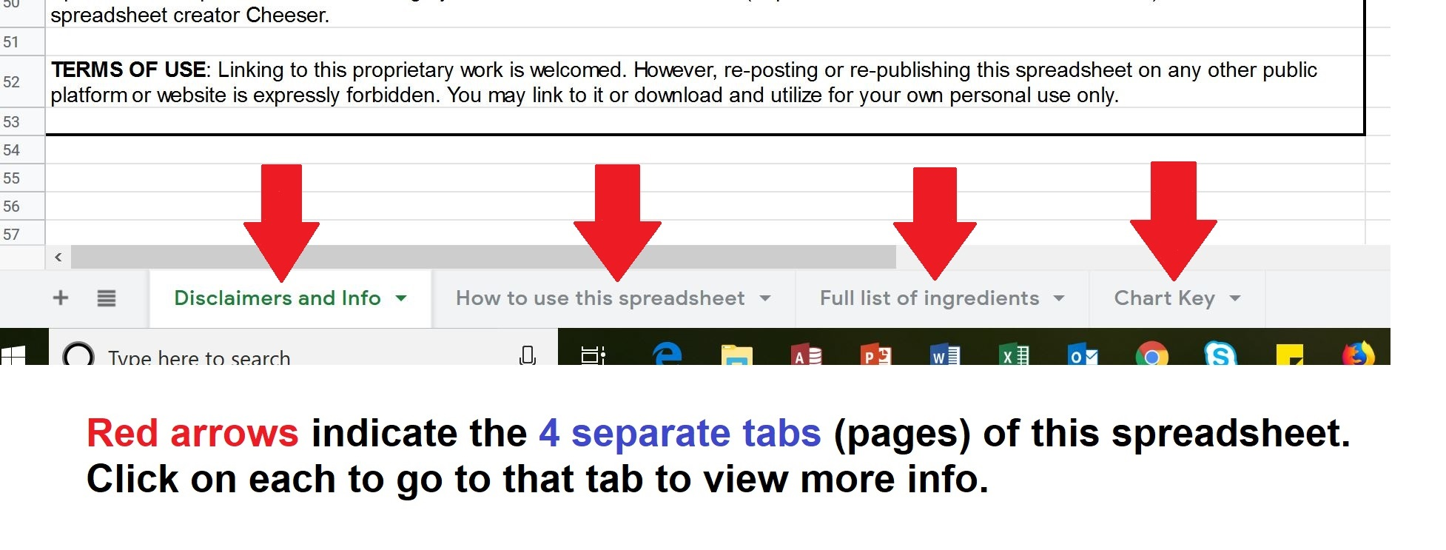

This chart as merely a starting point to help you to evaluate cat food options and should never take the place of proper veterinary care. But hopefully you'll find it to be a useful screening tool, despite its limitations, as you and your vet work together to keep your kitties healthy and happy for many years to come! :-)

You're welcome to download this file and customize it to your heart's content for your purrsonal use to best meet your cats' needs and tastes.

If you do download a copy and prefer to sort data instead of using the filters, you might want to highlight all of the cells in whatever color tickles your fancy. That just helps to make sure you include all of the rows and columns when sorting data, so all of the info for each product stays on the same line with its buddies. :-)

Disclaimers above written by spreadsheet creator TheCatSite.com member Cheeser (https://thecatsite.com/members/cheeser.61414/).

---------------------------------------------------------------------------------------------------------------------------------
Content of spreadsheet (brands, ingredients, etc) current as of November 2019

Dry, raw, prescription, and supplement / complement type foods are not included on this spreadsheet.

Nutritional information (protein, fat, carbs, calories, etc) are not included on this spreadsheet. Please reference one of the many nutritional charts and web sites available online that have been created by other pet owners.

Spreadsheet adpated for online sharing by TheCatsite.com member LTS3 (https://thecatsite.com/members/lts3.75912/) in collaboration with spreadsheet creator Cheeser.

This spreadsheet is best viewed on a computer. It may not display correctly or work as intended on a tablet, phone, or other device.

TERMS OF USE: Linking to this proprietary work is welcomed. However, re-posting or re-publishing this spreadsheet on any other public platform or website is expressly forbidden. You may link to it or download and utilize for your own personal use only.

How to use this spreadsheet
How to use the spreadsheet

Note: In order for this spreadsheet to be useful for your purposes, please take the time to familiarize yourself with this "how to guide". Google Sheets works a little differently from MS Excel and other programs.

*** NOTE ABOUT FILTERS ***

The spreadsheet is filterable so you can find foods your cat can potentially eat. What is a filter? A filter is a handy tool used to find certain data within a spreadsheet. It's very useful for spreadsheets containing large amounts of data such as this wet cat food spreadsheet. Filtering does not remove or modify data; it merely changes which rows or columns appear in the active Excel worksheet.

Once you have created the filter view, as explained in steps 1 through 3 below, every single box in row 11 will be filterable. That is everything from Brand Name all the way across the row to Montmorillonite Clay at the very end. You DO NOT need to use every single filter for the spreadsheet to work. Use just the ones you need and leave the rest alone.

Example: if you are looking for a food that contains no chicken AND no seafood, you would open the filter box for the chicken column and choose the No option (deselect / uncheck the Yes option) and repeat for the seafood column. The spreadsheet will first show you all the foods that do not contain chicken and then, when the seafood filter is applied, all the foods that do not contain chicken and seafood. Food that does not meet both criteria will not be shown. You may further refine your search by applying additional filters to any of the other columns such as brand or menadione.

1. Click on the row marked as 11 to highlight that entire row of the spreadsheet See red circle in the image below:
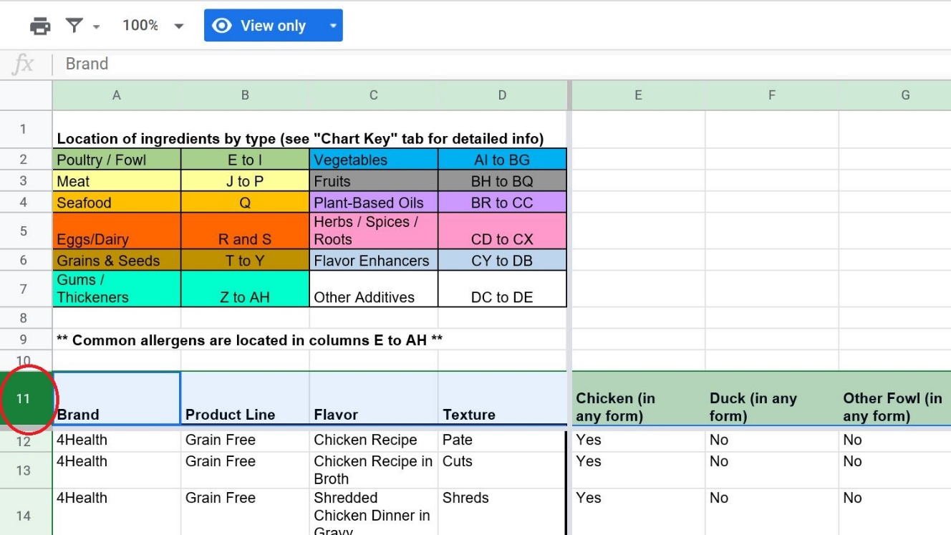

2. Click on the filter button, circled in red below:
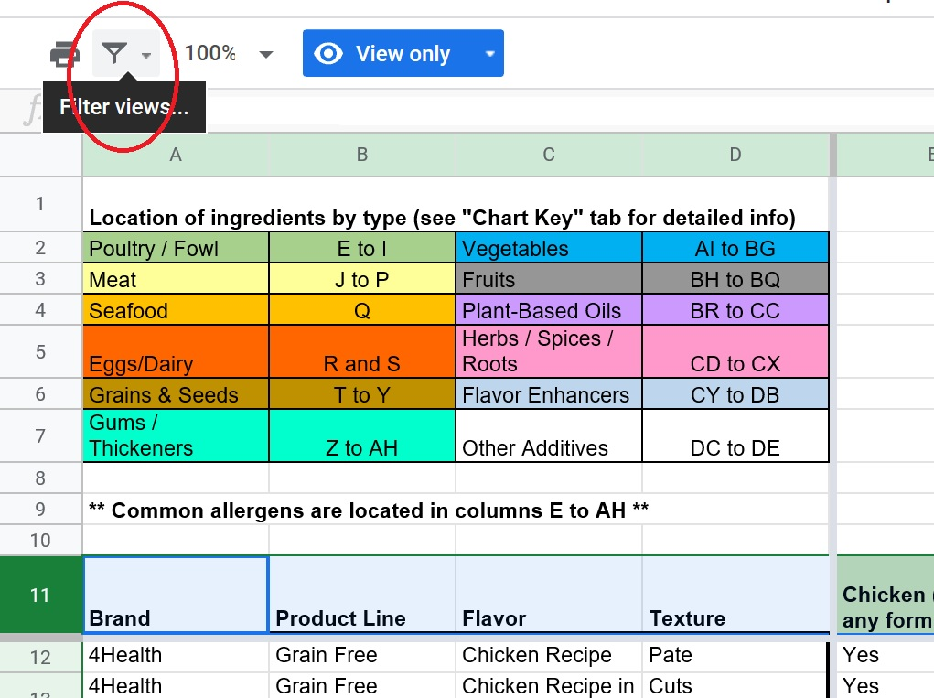

3. Click on Create new temporary filter view, circled in red below:

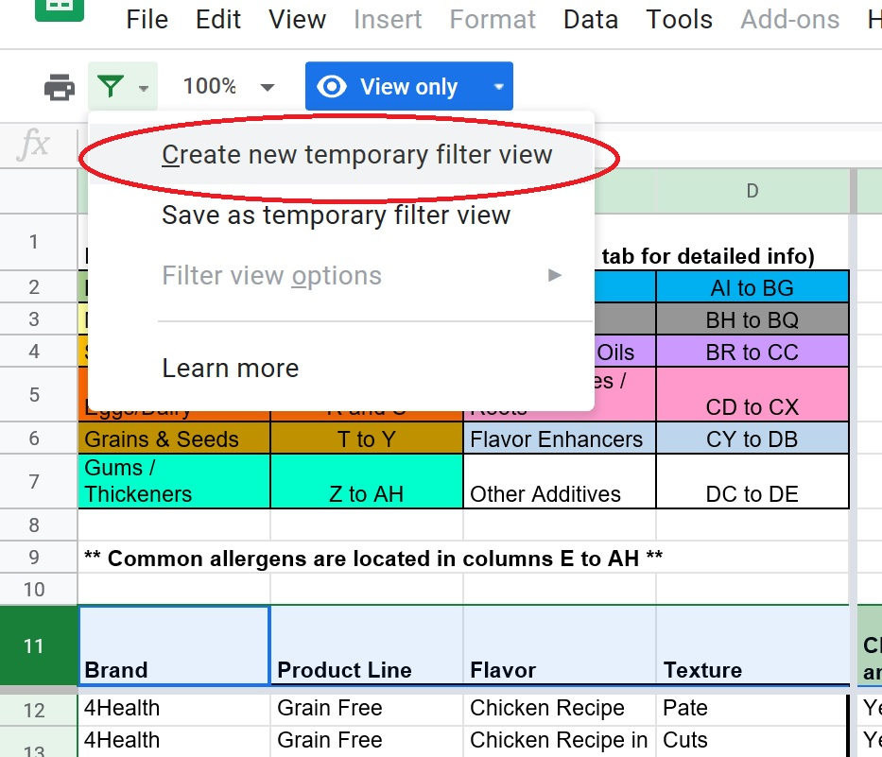

4. Notice that each column header now contains three lines forming a triangle in the bottom right corner of the box. See red circle in the image below:

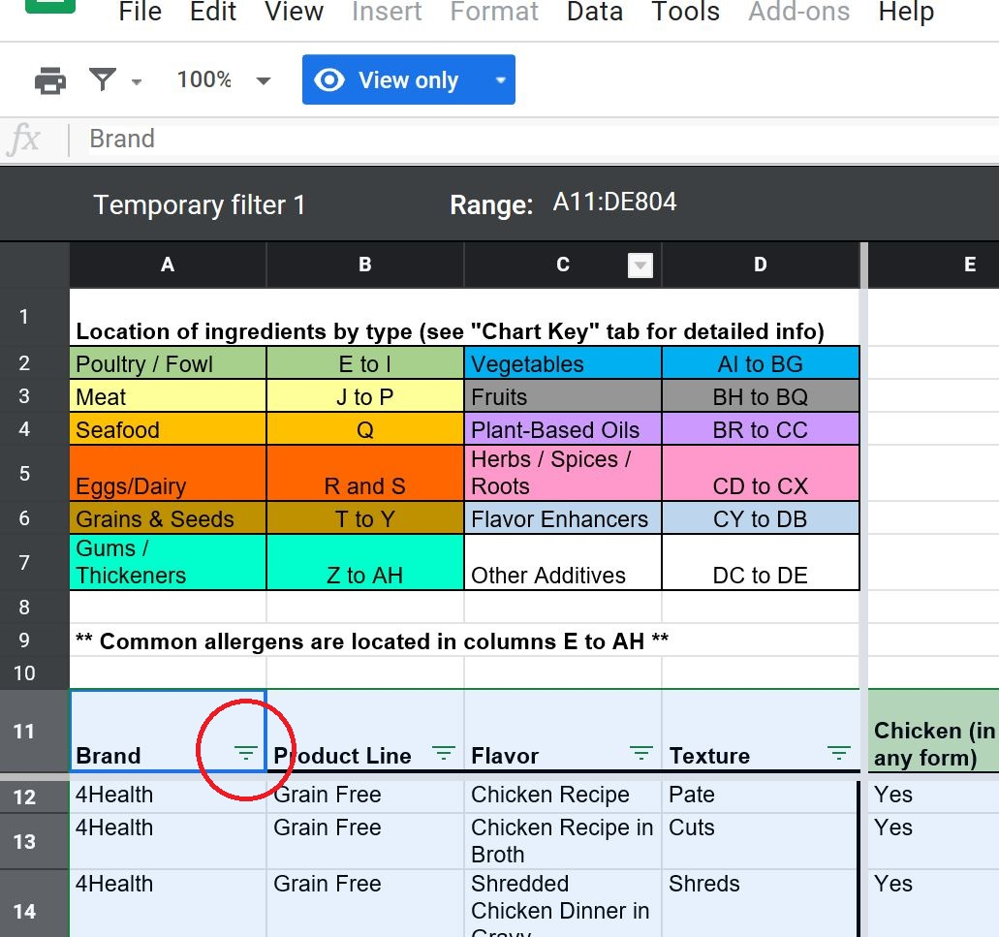

5. Click on the triangle to bring up the filter for the coulmn:

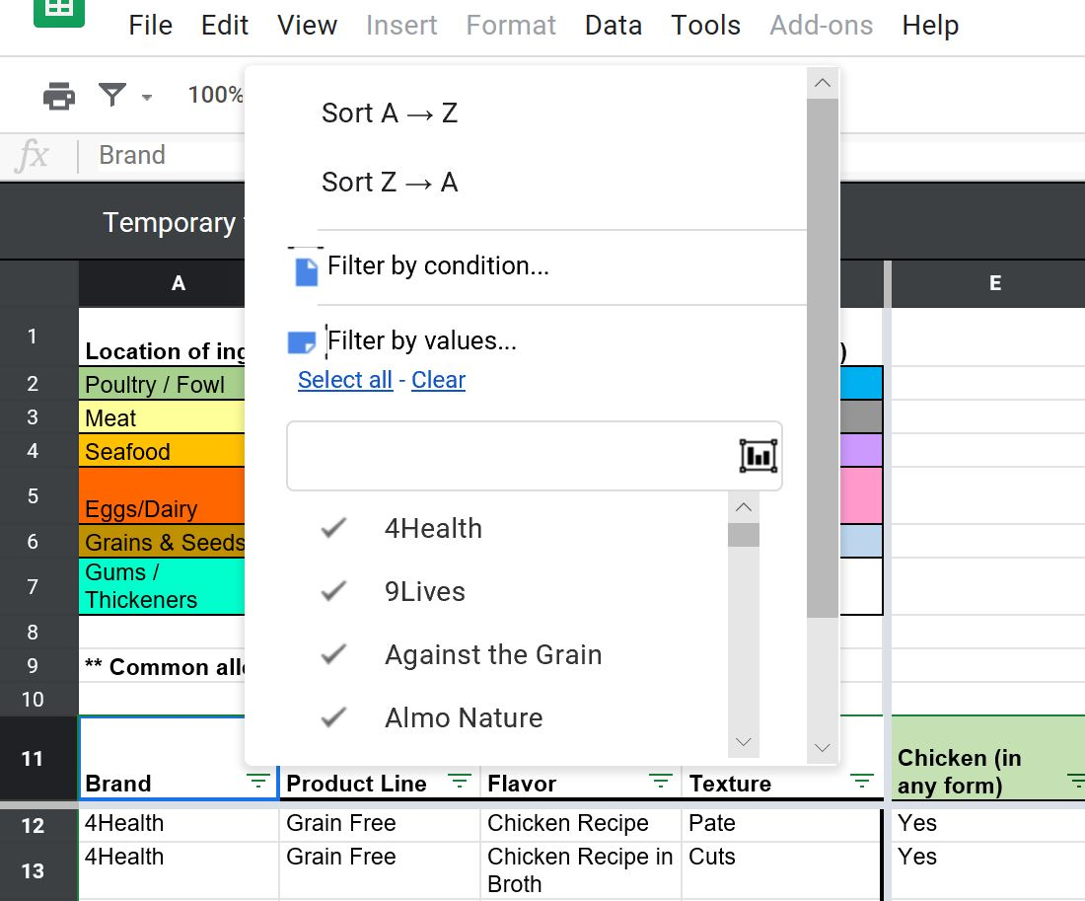

In the screenshot above, the filter is for the brand name. Scroll through the list to see the entire list of brands available. If you are lookng for a specific brand(s), click on the check mark to deselect the brands you are not interested in. Alternatively, click on Clear and then scroll through the list to select / check mark the brands you want.

Most columns have just two options, a simple Yes or No. The Yes option is if the food contains that particular ingredient. A No means the food does not contain that particular ingredient. Deselect (uncheck) the option you don't need.

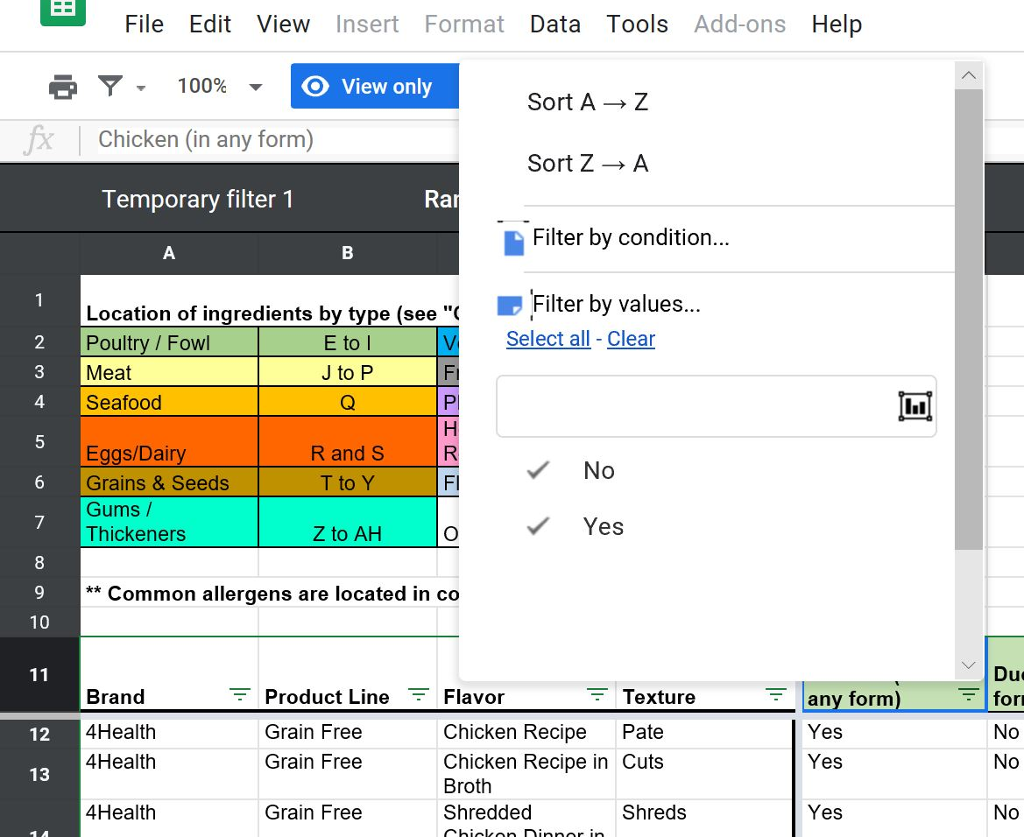

Be sure to click on the green OK button to apply the filter. You may need to scroll down the option list to find it. See the red circle in the image below:

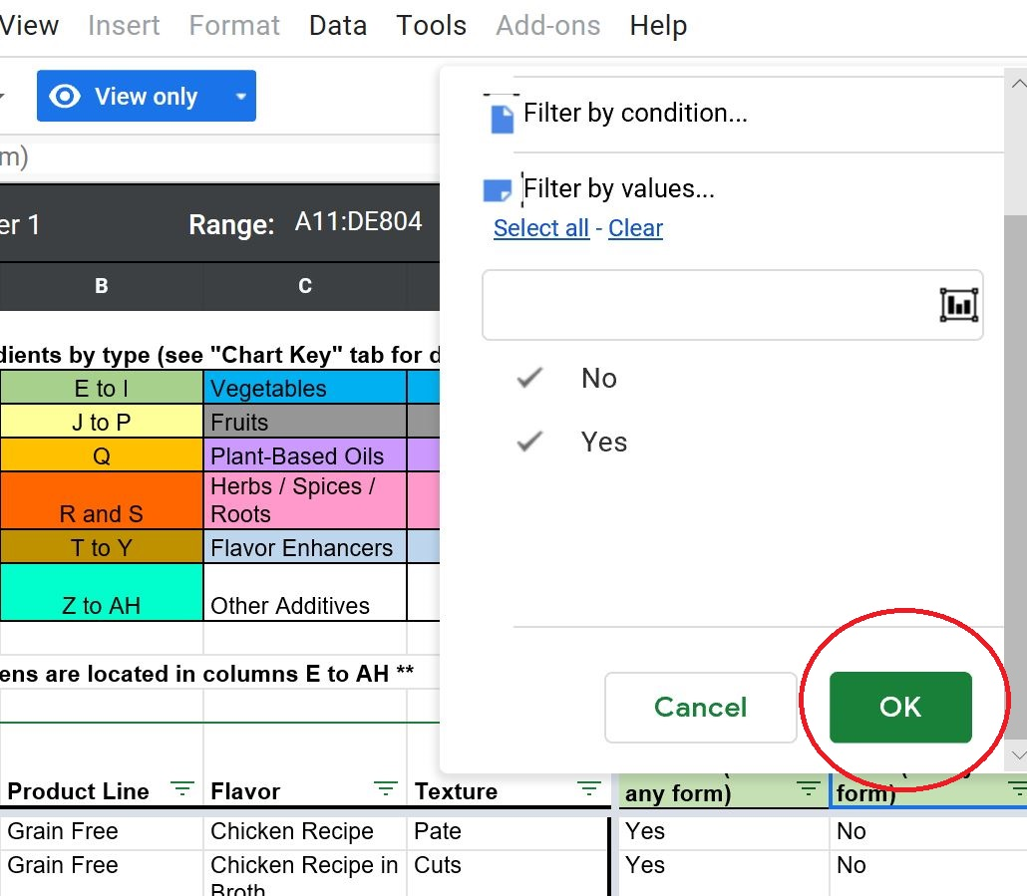

6. Use the scroll bar at the bottom of the sheet to scroll through the entire spreadsheet. See red circle below:

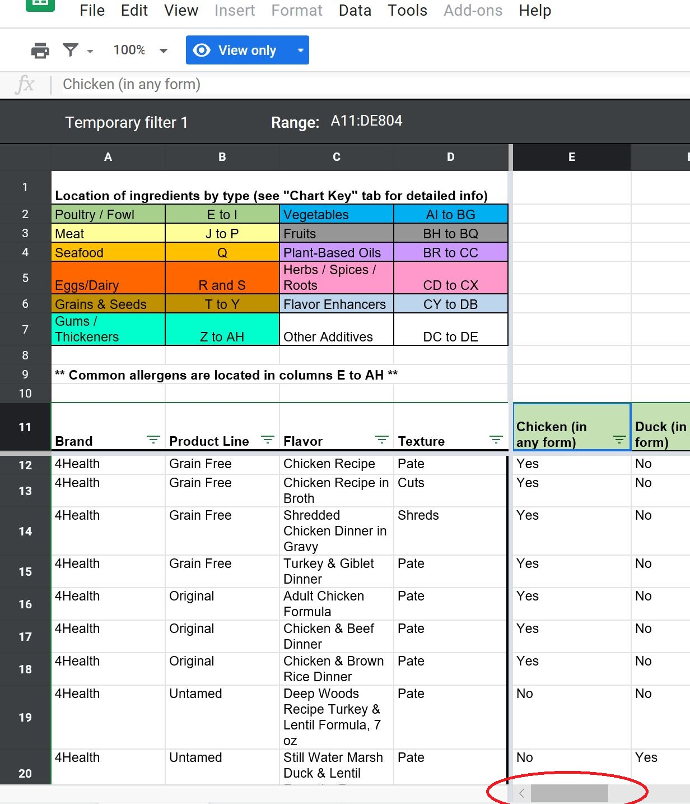

Columns A through D are fixed so you know what brand and variety each ingredient column corresponds to.

7. To reset the filters, click on the triangle in the column header box and choose Select All. See red circle in the image below. Be sure to click on the green OK button to apply the filter.

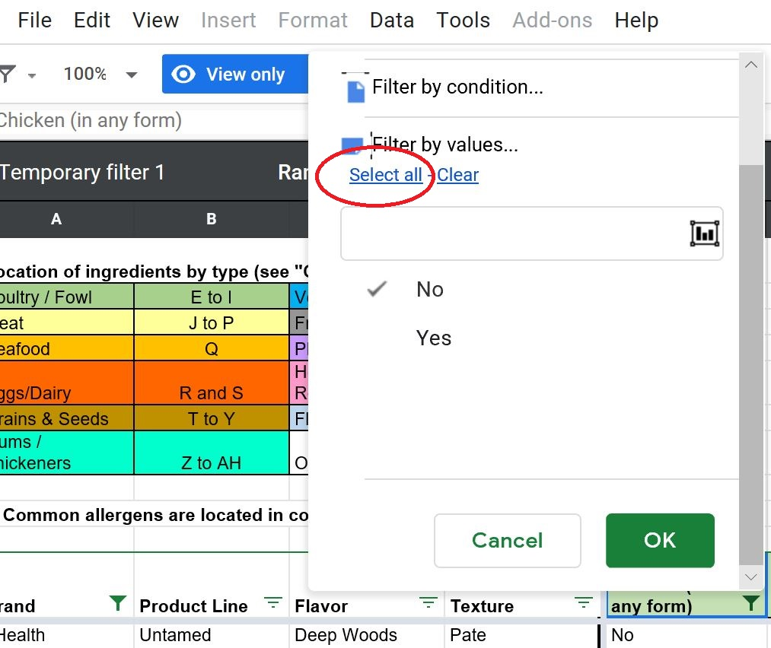

Ok, so you filtered the spreadsheet to your specific criteria and didn't come up with anything? The food either isn't on the spreadsheet (yet) or it may not exist. Try clearing some of the lesser important filter criteria to see if a food shows up. There is no "perfect" commerically available cat food.

To save a copy of the spreadsheet to your computer, click on File then on Download As. See red circles in the image below. Then choose your preferred file type:

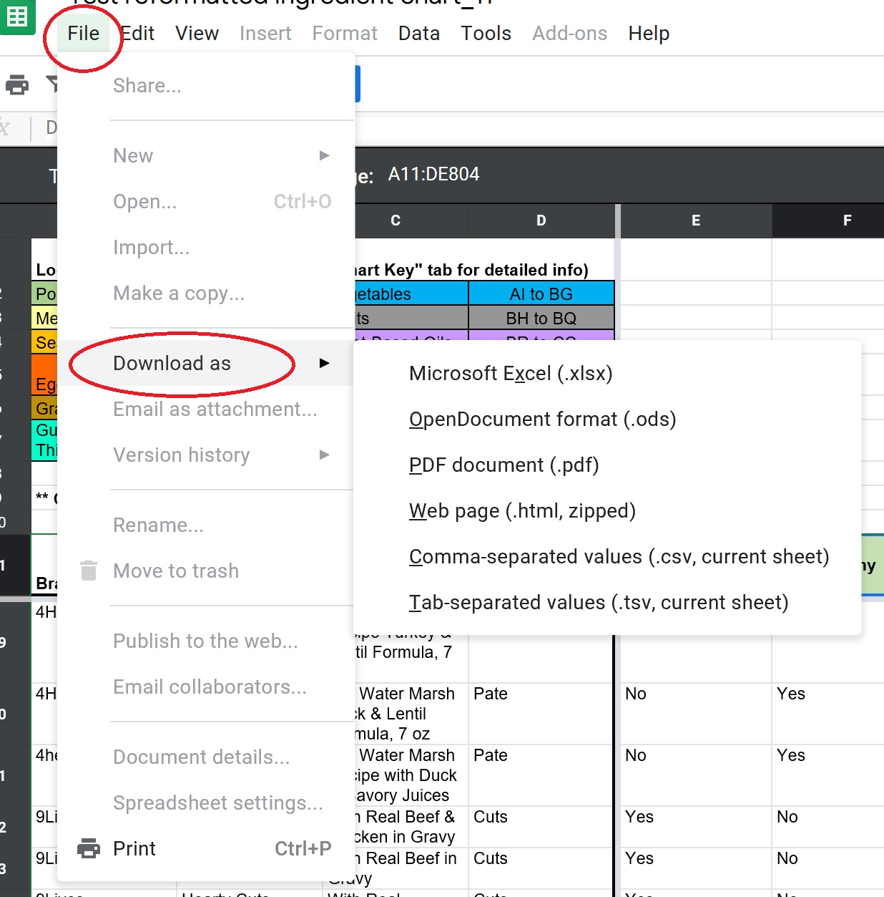

The spreadsheet may be dowloaded with or without the filter view on.

If you have MS Excel on your computer, you will be able to edit and modify the spreadsheet as you wish to customize the spreadsheet to your cat's needs.

There is no need to turn filters on in MS Excel. All the columns will automatically be filterable. Just click on the little triangle in the bottom right corner of the box. See red circle below. Choose your criteria by selecting or deselecting the available options. Click on OK to apply the filter.

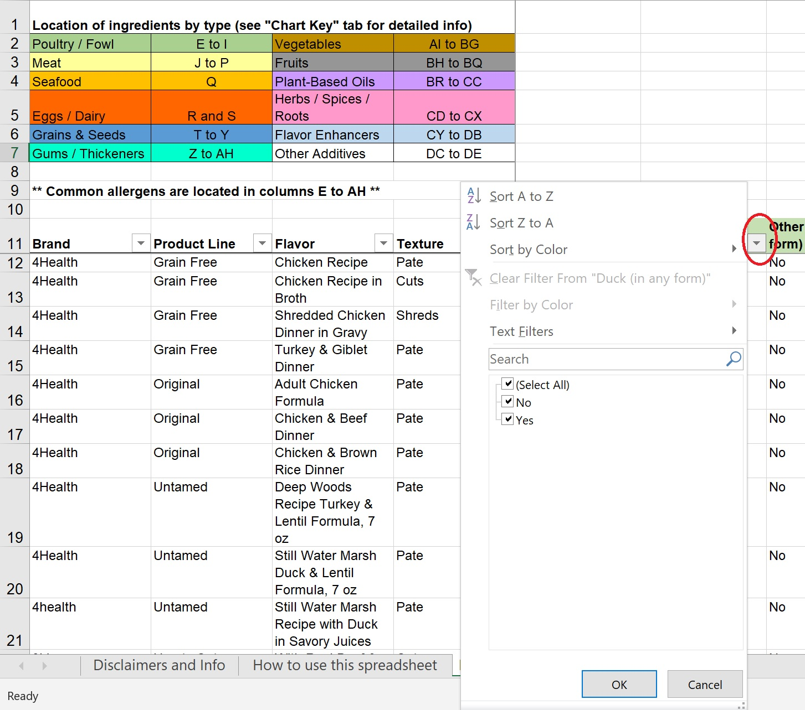

*** A word about filtering vs sorting ***

Sorting means to arrange data in a particular order which could be ascending or descending order. For example, sorting a list of names of students alphabetically.

Filtering is a quick and efficient method where you display only that data that meets a given criteria.

Technically the spreadsheet is sortable by column. However due to the large amount of data contained in this spreadsheet and the formatting, sorting will not work both in MS Excel and in Google Sheets.

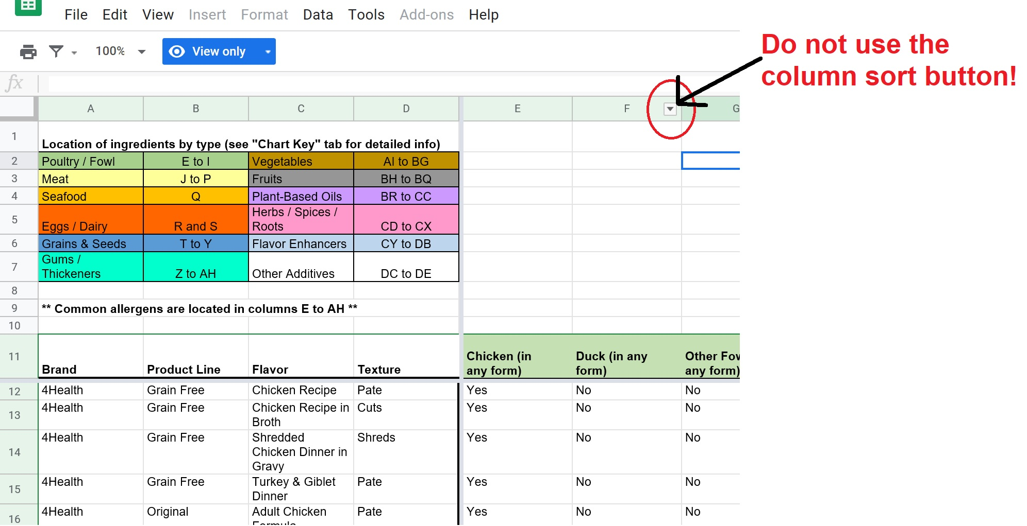

See screenshot below of what happens if the spreadsheet is sorted by clicking on the column sort button. All the formatting (column headers and colors, chart key) will disappear. While it is still filterable, as indicated by the three little green lines in the bottom right corner of each box in row 1, you will not know what ingredient that partcular column is for. So don't use the column sort!

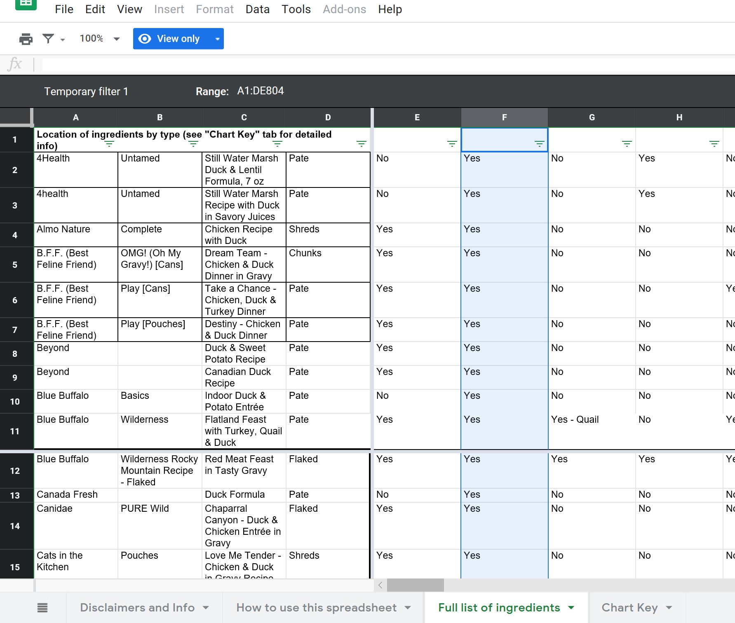

But wait, you say! There's a sort option in the filter box. See red rectangle in the screenshot below. Why not use that?

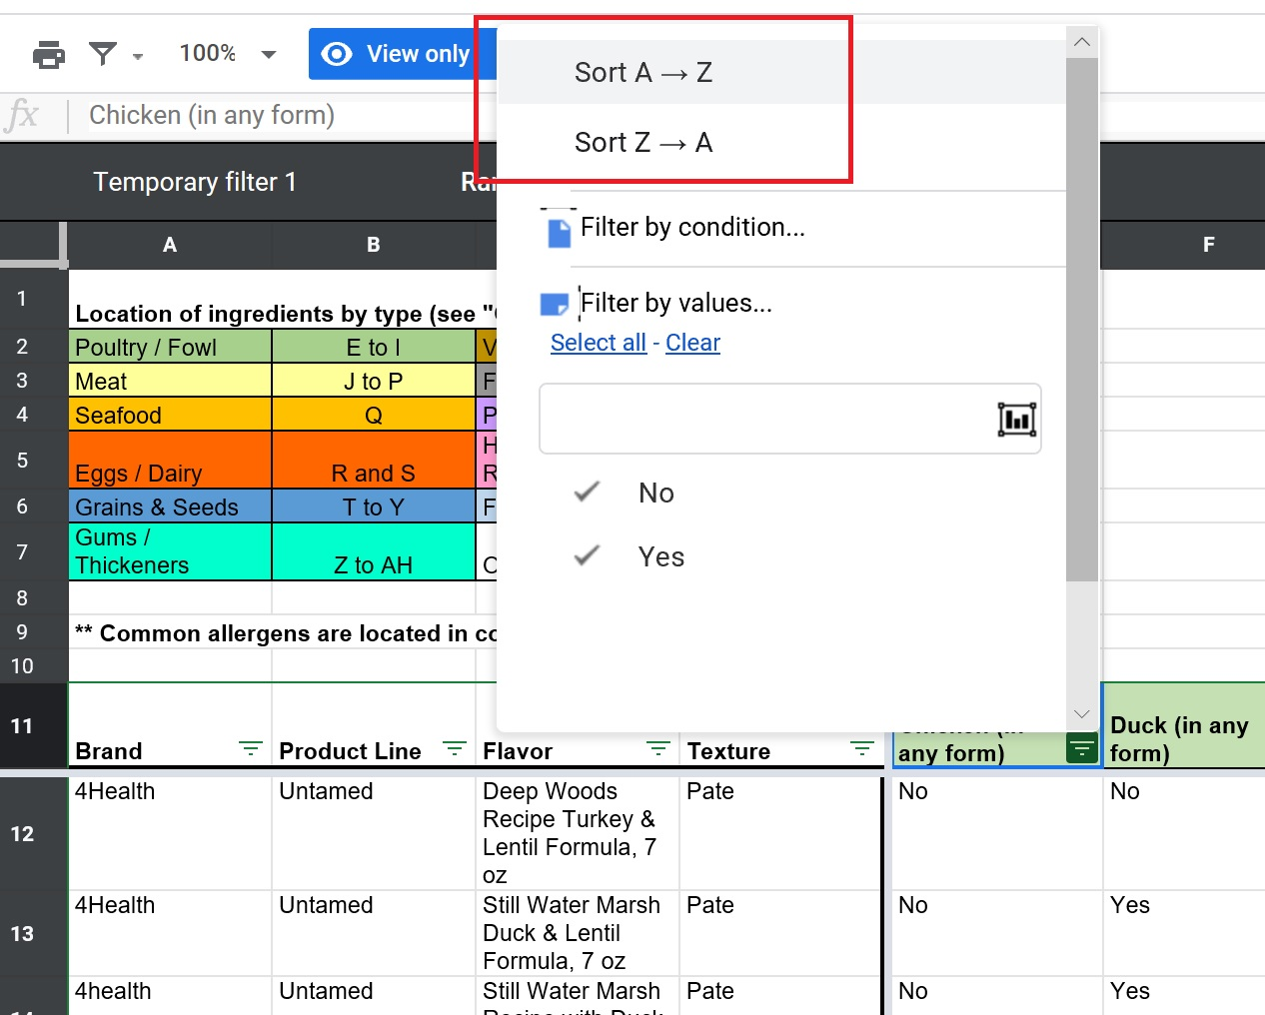

Sorting will only sort the entire column alphabetically. All the information in the spreadsheet is still viewable. With so much data on this wet cat food spreadsheet, you will have to scroll through a lot of rows to find what you are looking for.

Example: You are looking for a Purina ONE food that does not contain chicken. You sort the Brand column by choosing the A to Z option. Then you sort the Chicken column with the A to Z option. The screenshot below is the result of sorting those two columns:

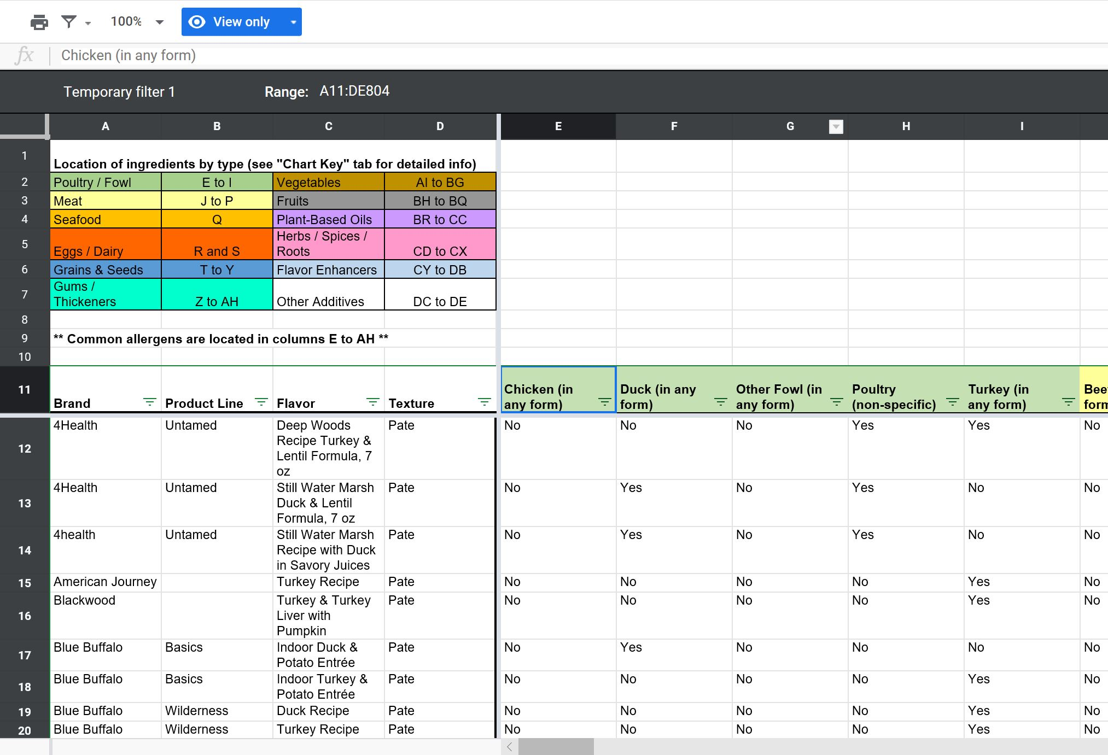

The results doesn't look much different from what you saw before you sorted. Where are the Purina ONE foods? Scroll quite a bit down the spreadsheet to find it:

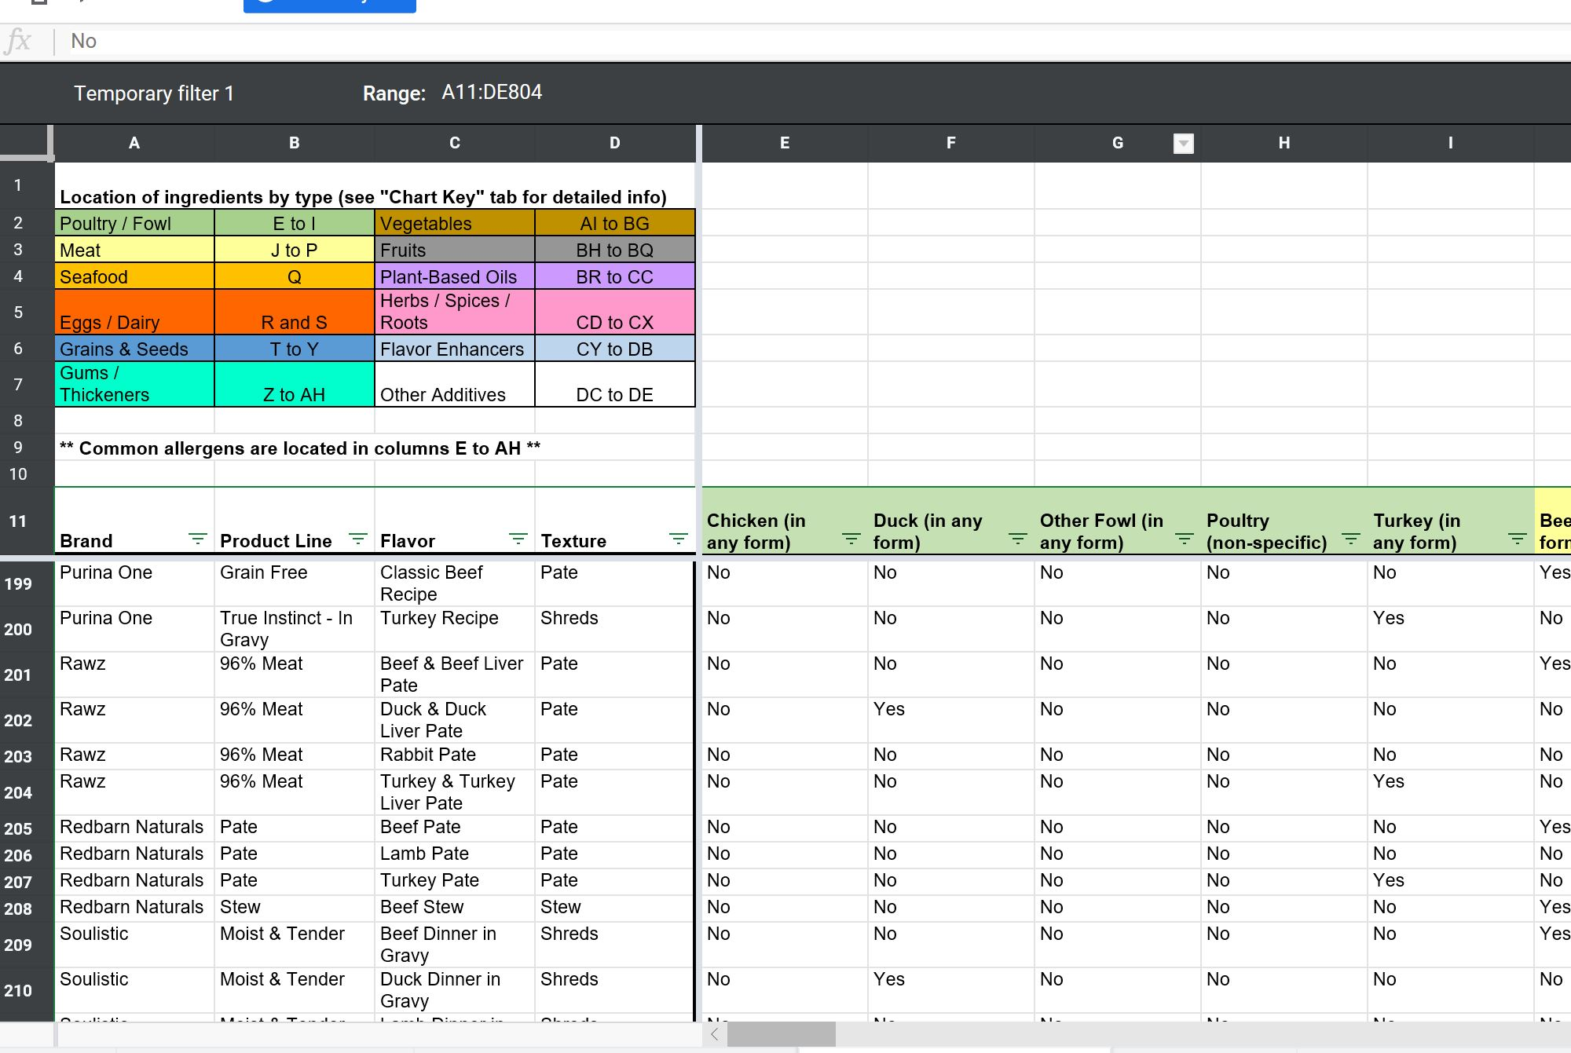

Purina ONE is way down the spreadsheet at rows 199 and 200. Every food that also does not contain chicken is also shown. If you scroll further down the spreadsheet, you will notice that because of the sorting, you will see the foods that do contain chicken and those foods are sorted alphabetically by brand. See screenshot below:
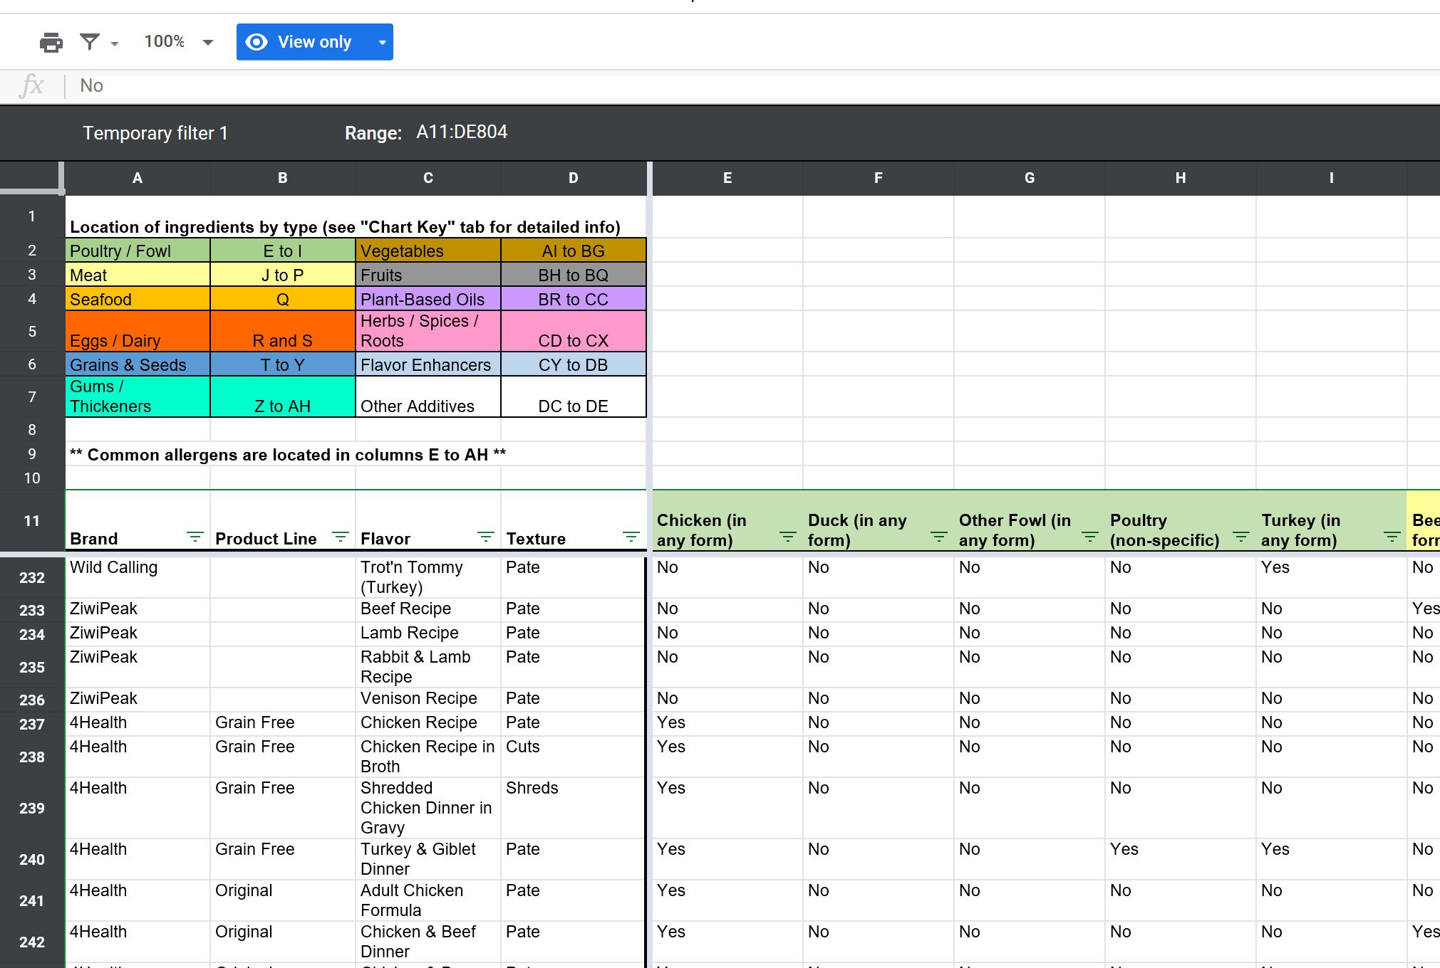

This is why this wet cat food spreadsheet works best with filters :) Using the same example of finding a Purina ONE food that does not contain chicken but using filters, this is the result:

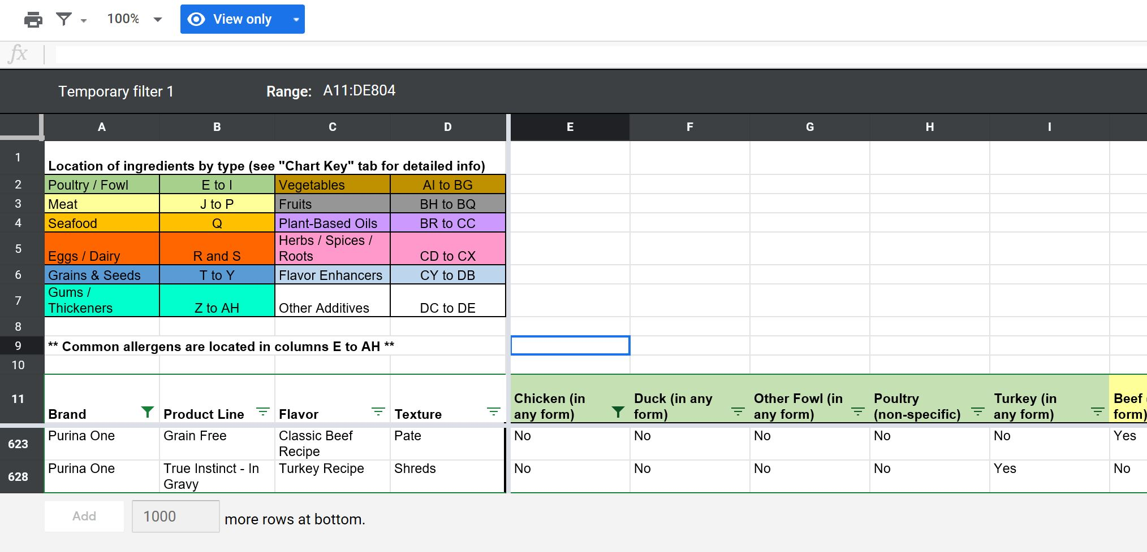

The filters found two foods that meet the crtierias, Purina ONE brand and no chicken. Everything else does not meet both criterias and so are not shown.

